Sheet1
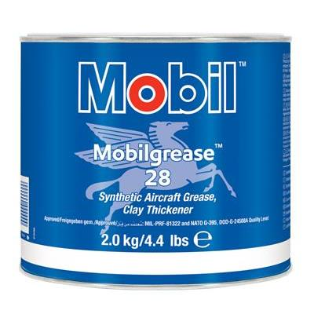
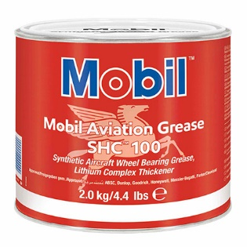
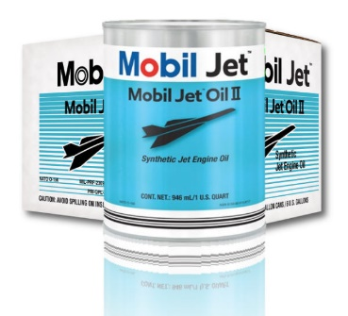
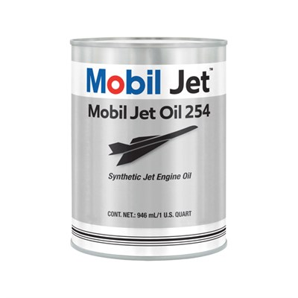
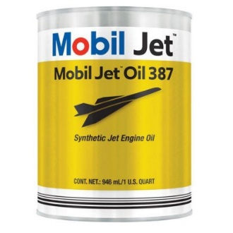
 |  |  |  | MOBIL JET OIL 254
MOBIL GREASE 28 | MOBIL GREASE SHC 100 | MOBIL JET OIL 2 | MOBIL JET OIL 387

